SCREENSHOT

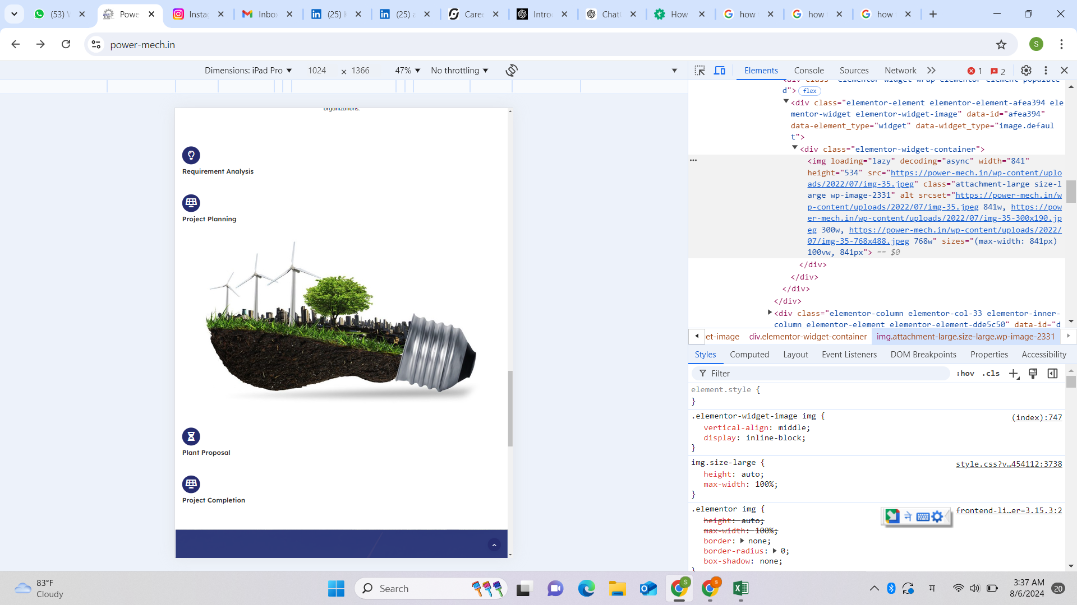
PROOFS
TC006-HOME

